Analysis
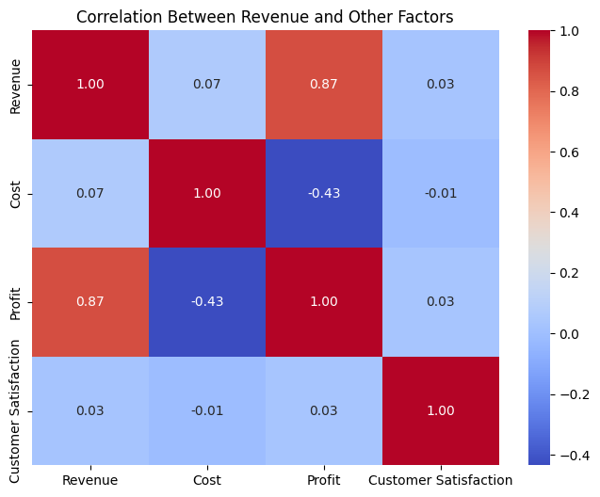
1. Trend Analysis

in$ | Jan-20 | Feb-20 | Mar-20 | Apr-20 | May-20 | Jun-20 | Jul-20 | Aug-20 | Sep-20 | Oct-20 | Nov-20 | Dec-20 | Jan-21 | Feb-21 | Mar-21 | Apr-21 | May-21
Revenue | 147,267 | 133,231 | 157,273 | 154,170 | 154,464 | 143,475 | 153,576 | 154,908 | 150,546 | 159,304 | 160,180 | 153,901 | 172,546 | 156,693 | 149,822 | 150,954 | 67,688
Cogs | 103,903 | 90,529 | 90,780 | 93,537 | 102,390 | 91,312 | 88,655 | 97,193 | 85,979 | 96,424 | 87,603 | 89,048 | 97,201 | 89,840 | 96,396 | 93,967 | 42,815

Trend Analysis |  |  |  |  |  |  | Comparative Analysis
Revenue Trend Analyis 2020-2021
 |  |  |  |  |  |  |  |  | 2020 | 2020 | 2020 | 2020 | 2020
 |  |  |  |  |  |  | in$ |  | South America | Australia | Asia | Europe | North America
 |  |  |  |  |  |  | Revenue |  | 420,714 | 297,197 | 383,940 | 330,788 | 389,656
 |  |  |  |  |  |  | Cogs |  | 252,097 | 182,393 | 231,265 | 195,286 | 256,313
 |  |  |  |  |  |  | Profit |  | 168,617 | 114,804 | 152,675 | 135,502 | 133,344
 |  |  |  |  |  |  | Profit Percentage |  | 40% | 39% | 40% | 41% | 34%

 |  |  |  |  |  |  |  |  | 2021 | 2021 | 2021 | 2021 | 2021
 |  |  |  |  |  |  | in$ |  | South America | Australia | Asia | Europe | North America
 |  |  |  |  |  |  | Revenue |  | 130,651 | 165,671 | 108,894 | 161,322 | 131,164
 |  |  |  |  |  |  | Cogs |  | 86,264 | 96,159 | 58,522 | 96,405 | 82,869
 |  |  |  |  |  |  | Profit |  | 44,387 | 69,512 | 50,373 | 64,917 | 48,295
 |  |  |  |  |  |  | Profit Percentage |  | 34% | 42% | 46% | 40% | 37%

 |  |  |  |  |  |  | Region | Total Revenue | Total Profit | % Profit
Product | Total Revenue | Total Profit | % Profit |  |  |  | Asia | 492,834 | 203,048 | 20.67%
Product A | 728,199 | 287,535 | 29.27% |  |  |  | Australia | 462,868 | 184,316 | 18.76%
Product B | 636,112 | 246,036 | 25.04% |  |  |  | Europe | 492,110 | 200,419 | 20.40%
Product C | 643,812 | 269,817 | 27.46% |  |  |  | North America | 520,820 | 181,639 | 18.49%
Product D | 511,875 | 179,037 | 18.22% |  |  |  | South America | 551,365 | 213,004 | 21.68%
Grand Total | 2,519,998 | 982,426 | 100.00% |  |  |  | Grand Total | 2,519,998 | 982,426 | 100.00%

 |  | 2020-2021 Sales by Region |  |  |  |  |  |  | 2020-2021 Sales by Product

